Creating for choosing a type of
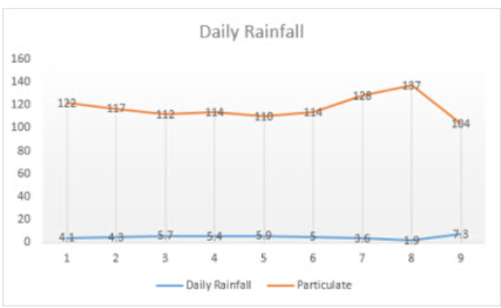
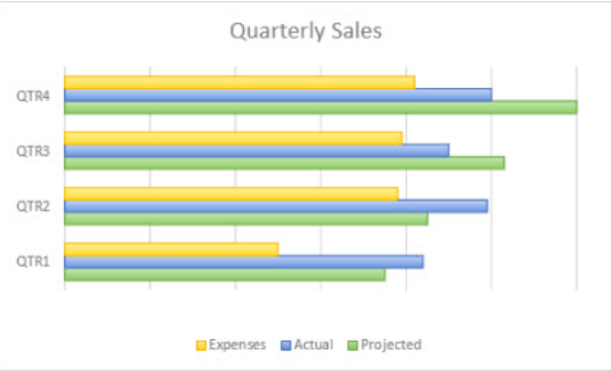
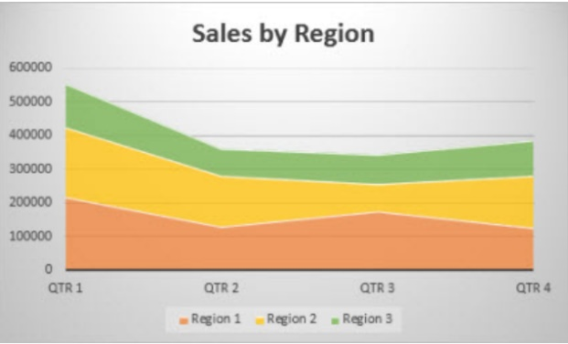
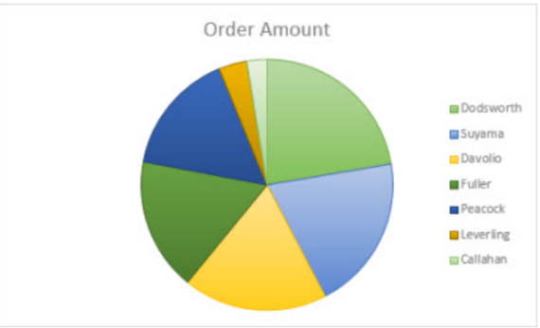

Line Chart
Bar Chart
Area Chart
Pie Chart
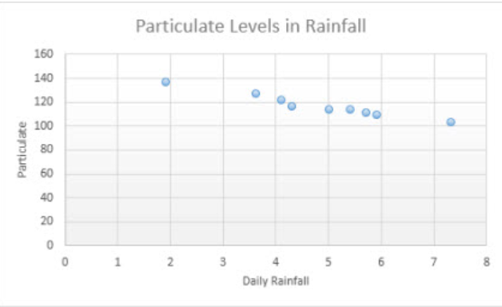
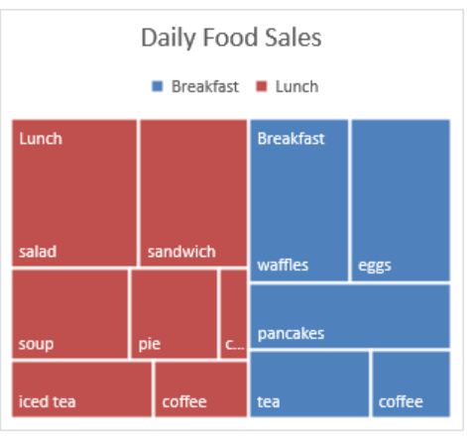
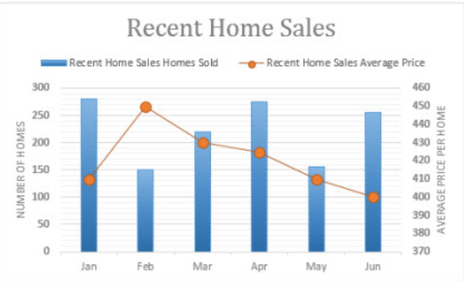

Combo Chart
Scatter Plot Chart
Treemap Chart

Bar and Column Chart
COLUMN AND BAR CHART
 |  |  | Quarter | Revenue | Expenses
Year | Conference Attendance |  | Qtr 2 | $734,599 | $295,582
Conference attendance by Year
2020 | 2405 |  | Qtr 3 | $648,414 | $337,916
2019 | 2000 |  | Qtr 4 | $638,115 | $330,691
2017 | 1800 |  | Qtr 1 | $591,163 | $299,914
2018 | 1600
Quarter Sales By Revenue
2016 | 1500
2015 | 1200
2013 | 1050
2014 | 975
2012 | 859

Column Chart

Monthly sales per App

Monthly Sales Actual vs Budget
 | Actual | Budget
Fightrr | 102 | 112
Kryptis | 119 | 131
Perino | 300 | 330
Hackrr | 89 | 98
WenCal | 226 | 249

Line Chart
YOY Rev Growth Vs YOY Comm Growth
Year | Revenue | Commission | YOY Rev. Growth | YOY Comm. Growth
2010 | 240000000 | 19200000
2011 | 259000000 | 24000000 | 8% | 25%
2012 | 269000000 | 29000000 | 4% | 21%
2013 | 280000000 | 33000000 | 4% | 14%
2014 | 300000000 | 37000000 | 7% | 12%

 | Company | Before | Current
 | Grand Motors | 350 | 500
 | Summit Auto | 240 | 240
 | Cityside Wheels | 75 | 200
 | Prestige Auto | 30 | 100

Pie Chart
Quarter | Sales
Qtr 2 | 1000
Qtr 1 | 2500 |  | Pie Chart | Categorical
Sales bt Quarter
Qtr 3 | 2600
Qtr 4 | 6000

Company | Before | Current
Grand Motors | 350 | 500
Summit Auto | 240 | 240
Cityside Wheels | 75 | 200
Prestige Auto | 30 | 100

Combo Chart
Month | Sales (USD) | Profit Margin (%)
January | $12,000.00 | 15
February | $15,500.00 | 18
Sales vs Profit
March | $14,000.00 | 16
April | $17,500.00 | 20
May | $16,000.00 | 19
June | $18,500.00 | 22
July | $20,000.00 | 24
August | $19,000.00 | 23
September | $21,500.00 | 26
October | $23,000.00 | 28
November | $22,500.00 | 27
December | $25,000.00 | 30

